Cropland
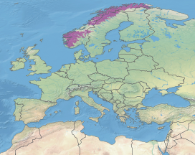
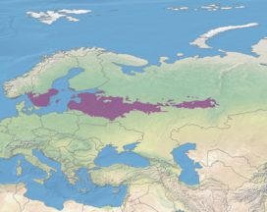
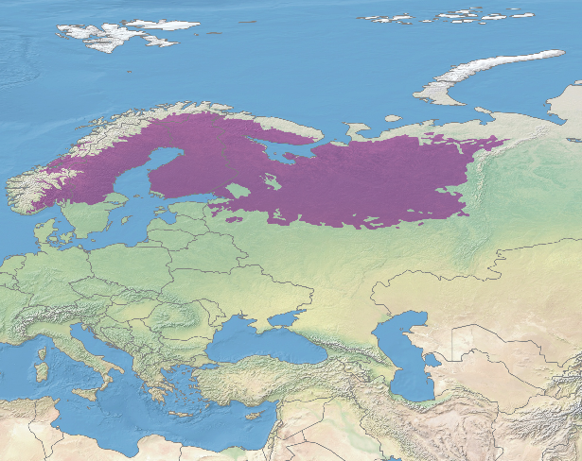
Sweden |  | Black no from Scherer et al, blue calculated |  |  |  |  |  | Cropland_intense
ECO_ID | ECO_NAME | ISO3CD | ROMNAM | M49Code | area | Share | No of plant species in ecoregion | CF_occ_avg_glo (relative SL) | CF absolute calculated
-9998 | Lake | SWE | Sweden | 752 | 0 | 0.00
80405 | Baltic mixed forests | SWE | Sweden | 752 | 7550 | 0.18 | 230 | 3.71E-16 | 1.54E-14
80436 | Sarmatic mixed forests | SWE | Sweden | 752 | 28737 | 0.69 | 1658 | 3.60E-16 | 4.10E-13
80608 | Scandinavian and Russian taiga | SWE | Sweden | 752 | 5590 | 0.13 | 809 | 1.53E-16 | 1.65E-14
81110 | Scandinavian Montane Birch forest and grasslands | SWE | Sweden | 752 | 2 | 0.00 | 1008 | 1.89E-15 | 9.10E-17
 |  |  |  | Total | 4.2 | Million ha |  | Average: | 4.42E-13
Norway
ECO_ID | ECO_NAME | ISO3CD | ROMNAM | M49Code | area
21103 | Scotia Sea Islands tundra | NOR | Norway | 578 | 0 | 0.00 | 406 | 7.56E-19 | 0.00E+00
80429 | North Atlantic moist mixed forests | NOR | Norway | 578 | 38 | 0.00 | 597 | 4.73E-16 | 1.00E-15
80436 | Sarmatic mixed forests | NOR | Norway | 578 | 1202 | 0.11 | 1658 | 3.60E-16 | 6.69E-14
80520 | Scandinavian coastal conifer forests | NOR | Norway | 578 | 1871 | 0.17 | 1268 | 1.44E-15 | 3.18E-13
80608 | Scandinavian and Russian taiga | NOR | Norway | 578 | 6364 | 0.59 | 809 | 1.53E-16 | 7.34E-14
81101 | Arctic desert | NOR | Norway | 578 | 0 | 0.00 | 650 | 1.22E-15 | 0.00E+00
81106 | Kola Peninsula tundra | NOR | Norway | 578 | 0 | 0.00 | 183 | 2.55E-15 | 0.00E+00
81110 | Scandinavian Montane Birch forest and grasslands | NOR | Norway | 578 | 1256 | 0.12 | 1008 | 1.89E-15 | 2.23E-13
 |  |  |  | Total | 0.9 | Million ha |  | Average: | 6.83E-13

 | Scandinavian Montane Birch forest and grasslands |  | Sarmatic mixed forests |  |  |  |  | Scandinavian and Russian taiga

Pasture
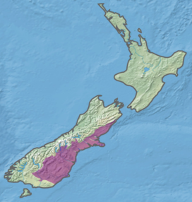
Baltic mixed forests
Sarmatic mixed forests | 2.30E-15
Scandinavian and Russian taiga | 2.99E-15
Scandinavian Montane Birch forest and grasslands | 1.21E-12
Sweden |  | Black no from Scherer et al, blue calculated |  |  |  |  |  | Cropland_intense
ECO_ID | ECO_NAME | ISO3CD | ROMNAM | M49Code | area | Share | No of plant species in ecoregion | CF_occ_avg_glo (relative SL) | CF absolute calculated |  | No mammals
-9998 | Lake | SWE | Sweden | 752 | 0 | 0.00
80405 | Baltic mixed forests | SWE | Sweden | 752 | 48 | 0.00 | 230
80436 | Sarmatic mixed forests | SWE | Sweden | 752 | 58 | 0.01 | 1658 | 2.40E-16 | 2.30E-15
80608 | Scandinavian and Russian taiga | SWE | Sweden | 752 | 365 | 0.04 | 809 | 1.02E-16 | 2.99E-15
81110 | Scandinavian Montane Birch forest and grasslands | SWE | Sweden | 752 | 9580 | 0.95 | 1008 | 1.26E-15 | 1.21E-12 |  | 46
 |  |  |  | Total | 1.0 | Million ha |  | Average: | 1.21E-12
Norway |  |  |  |  |  |  | C&B har 1000 så ganska lika
ECO_ID | ECO_NAME | ISO3CD | ROMNAM | M49Code | area
21103 | Scotia Sea Islands tundra | NOR | Norway | 578 | 0 | 0.00 | 406 |  | 0.00E+00
80429 | North Atlantic moist mixed forests | NOR | Norway | 578 | 0 | 0.00 | 597 |  | 0.00E+00
80436 | Sarmatic mixed forests | NOR | Norway | 578 | 0 | 0.00 | 1658 |  | 0.00E+00
80520 | Scandinavian coastal conifer forests | NOR | Norway | 578 | 25 | 0.01 | 1268 | 4.00E-16 | 4.14E-15
80608 | Scandinavian and Russian taiga | NOR | Norway | 578 | 40 | 0.01 | 809 | 1.02E-16 | 1.07E-15
81101 | Arctic desert | NOR | Norway | 578 | 0 | 0.00 | 650 |  | 0.00E+00
81106 | Kola Peninsula tundra | NOR | Norway | 578 | 129 | 0.04 | 183 | 1.09E-14 | 8.38E-14
81110 | Scandinavian Montane Birch forest and grasslands | NOR | Norway | 578 | 2870 | 0.94 | 1008 | 1.26E-15 | 1.19E-12
 |  |  |  | Total | 0.3 | Million ha |  | Average: | 1.28E-12

 | Scandinavian Montane Birch forest and grasslands

 |  |  |  |  | I SUGGEST USING THE SHARES FOR CROPLAND HERE INSTEAD

 |  |  |  |  |  |  |  |  | Mammals
New Zealand |  |  |  |  | Pasture_intense |  |  |  | Pasture_intense
Country | Ecoregion | Area (km²) | Share | No of plant species in ecoregion | CF_occ_avg_glo (relative SL) | CF absolute calculated |  | No of mammals | CF_occ_avg_glo (relative SL)
New Zealand | North Island temperate forests | 30133 | 0.27 | 166 | 2.1005627643E-15 | 9.5066942843E-14 |  | 2 | 1.9074966022E-15
New Zealand | South Island montane grasslands | 20929 | 0.19 | 297 | 1.9285569825E-15 | 1.084627992E-13 |  | 1 | 3.7925434957E-16
New Zealand | South Island temperate forests | 5072 | 0.05 | 105 | 1.3911566284E-15 | 6.7032895484E-15 |  | 1 | 6.7851465866E-16
New Zealand | Rakiura Island temperate forests | 1 | 0.00 | 87 | 8.8278799092E-17 | 6.9489482113E-20
New Zealand | Chatham Island temperate forests | 2 | 0.00 | 350 | 6.5177346862E-18 | 4.1279851257E-20
New Zealand | Cantebury-Otago tussock grasslands | 38281 | 0.35 | 52 | 2.680342242E-15 | 4.82747768E-14 |  | 0
New Zealand | Westland temperate forests | 667 | 0.01 | 38 | 3.1099389378E-15 | 7.1318910207E-16
New Zealand | Fiordland temperate forests | 2028 | 0.02 | 278 | 1.4458096302E-15 | 7.3750889991E-15
New Zealand | Northland temperate kauri forests | 10240 | 0.09 | 163 | 3.9425898232E-15 | 5.9540511796E-14 |  | 1 | 8.12E-16
New Zealand | Nelson Coast temperate forests | 386 | 0.00 | 300 | 1.4976596305E-15 | 1.5691522675E-15
New Zealand | Richmond temperate forests | 2785 | 0.03 | 208 | 3.3102211019E-15 | 1.7349579095E-14
 |  |  |  |  | Average: | 3.4505544042E-13 |  |  |  | 5.6846557596E-15

ECO_ID | ECO_NAME | ISO3CD | ROMNAM | M49Code | area | Share | No of plants | No of mammals
10401 | Chatham Island temperate forests | NZL | New Zealand | 554 | 566.59414991 | 0.00 | 350
10403 | Fiordland temperate forests | NZL | New Zealand | 554 | 10683.47379 | 0.04 | 278
10404 | Nelson Coast temperate forests | NZL | New Zealand | 554 | 14512.42504 | 0.06 | 300
10405 | North Island temperate forests | NZL | New Zealand | 554 | 83145.309234 | 0.32 | 166 | Heter Northland temperate forest in C&B och har 1200
10406 | Northland temperate kauri forests | NZL | New Zealand | 554 | 28165.954464 | 0.11 | 163
10407 | Rakiura Island temperate forests | NZL | New Zealand | 554 | 1392.0581531 | 0.01 | 87
10408 | Richmond temperate forests | NZL | New Zealand | 554 | 12481.300409 | 0.05 | 208
10410 | South Island temperate forests | NZL | New Zealand | 554 | 11328.532606 | 0.04 | 105
10414 | Westland temperate forests | NZL | New Zealand | 554 | 5246.5738069 | 0.02 | 38
10801 | Cantebury-Otago tussock grasslands | NZL | New Zealand | 554 | 52237.360025 | 0.20 | 52 | C&B har 800 här
11003 | South Island montane grasslands | NZL | New Zealand | 554 | 40006.306433 | 0.15 | 297 | C&B har 850 här
11101 | Antipodes Subantarctic Islands tundra | NZL | New Zealand | 554 | 521.38325672 | 0.00
70102 | Central Polynesian tropical moist forests | NZL | New Zealand | 554 | 32.860092809 | 0.00
70103 | Cook Islands tropical moist forests | NZL | New Zealand | 554 | 203.91528942 | 0.00
70107 | Kermadec Islands subtropical moist forests | NZL | New Zealand | 554 | 31.017614415 | 0.00 | 214 | 0
70114 | Tongan tropical moist forests | NZL | New Zealand | 554 | 263.32373878 | 0.00 | 2924 | 2

Cantebury-Otago tussock grasslands

Scherer biodiversity verificati
Sweden |  | Black no from Scherer et al, blue calculated |  |  |  |  |  | Cropland_intense
ECO_ID | ECO_NAME | ISO3CD | ROMNAM | M49Code | area | Share | No of plant species in ecoregion | CF_occ_avg_glo (relative SL) | CF absolute calculated
-9998 | Lake | SWE | Sweden | 752 | 5733 | 0.01
80405 | Baltic mixed forests | SWE | Sweden | 752 | 8658 | 0.02 | 230 | 3.71E-16 | 1.66E-15
80436 | Sarmatic mixed forests | SWE | Sweden | 752 | 119736 | 0.27 | 1658 | 3.60E-16 | 1.61E-13
80608 | Scandinavian and Russian taiga | SWE | Sweden | 752 | 260174 | 0.58 | 809 | 1.53E-16 | 7.24E-14
81110 | Scandinavian Montane Birch forest and grasslands | SWE | Sweden | 752 | 50631 | 0.11 | 1008 | 1.89E-15 | 2.17E-13
 |  |  |  |  |  |  |  | Average: | 4.51E-13
Norway
ECO_ID | ECO_NAME | ISO3CD | ROMNAM | M49Code | area
21103 | Scotia Sea Islands tundra | NOR | Norway | 578 | 38 | 0.00 | 406 | 7.56E-19 | 3.15E-20
80429 | North Atlantic moist mixed forests | NOR | Norway | 578 | 110 | 0.00 | 597 | 4.73E-16 | 8.39E-17
80436 | Sarmatic mixed forests | NOR | Norway | 578 | 8860 | 0.02 | 1658 | 3.60E-16 | 1.43E-14
80520 | Scandinavian coastal conifer forests | NOR | Norway | 578 | 16526 | 0.04 | 1268 | 1.44E-15 | 8.15E-14
80608 | Scandinavian and Russian taiga | NOR | Norway | 578 | 97421 | 0.26 | 809 | 1.53E-16 | 3.26E-14
81101 | Arctic desert | NOR | Norway | 578 | 60008 | 0.16 | 650 | 1.22E-15 | 1.29E-13
81106 | Kola Peninsula tundra | NOR | Norway | 578 | 3674 | 0.01 | 183 | 2.55E-15 | 4.63E-15
81110 | Scandinavian Montane Birch forest and grasslands | NOR | Norway | 578 | 183546 | 0.50 | 1008 | 1.89E-15 | 9.45E-13
 |  |  |  |  |  |  |  | Average: | 1.21E-12

 | Scandinavian Montane Birch forest and grasslands

 |  |  |  | THIS IS WITHOUT CONSIDERING WHERE CROPLAND AND PASTURES ARE LOCATED

Pasture map HILDA
